API 1
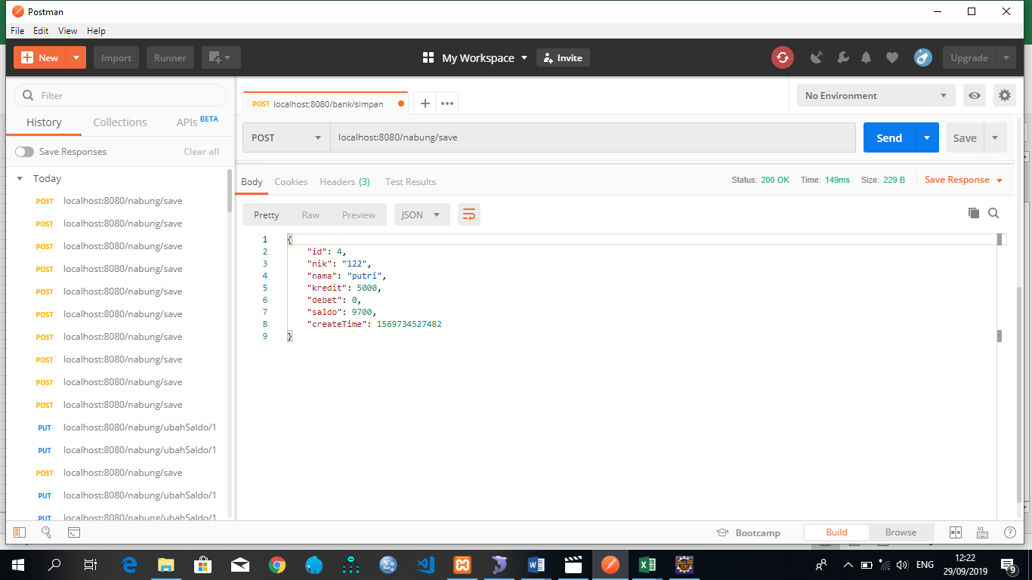
API | POST
http://localhost:8080/nabung/save

Parameter
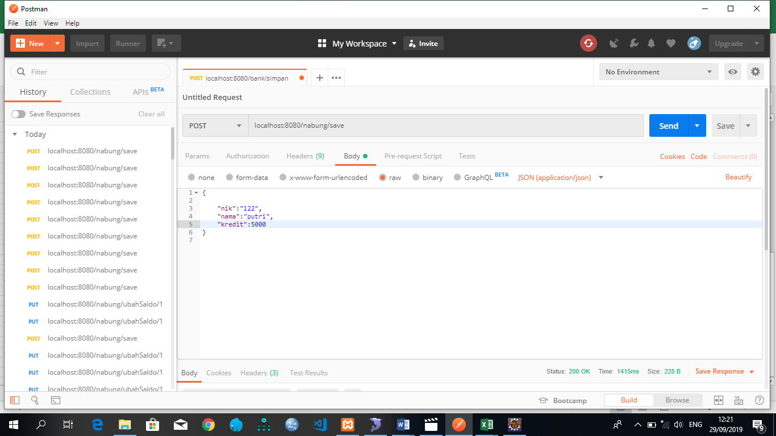

Response

API 2
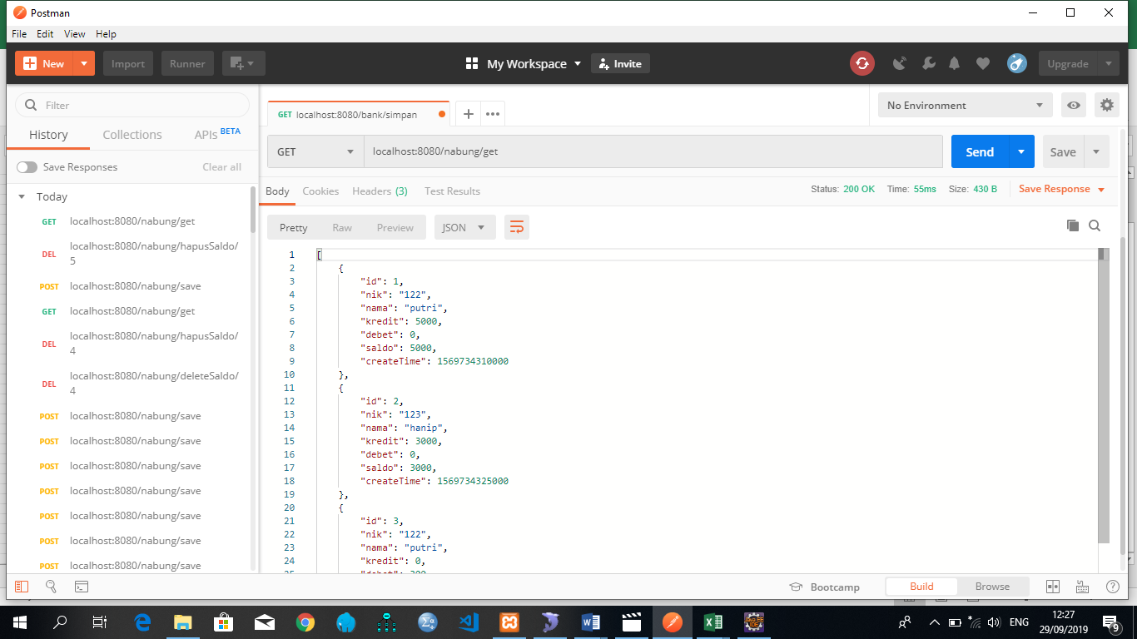
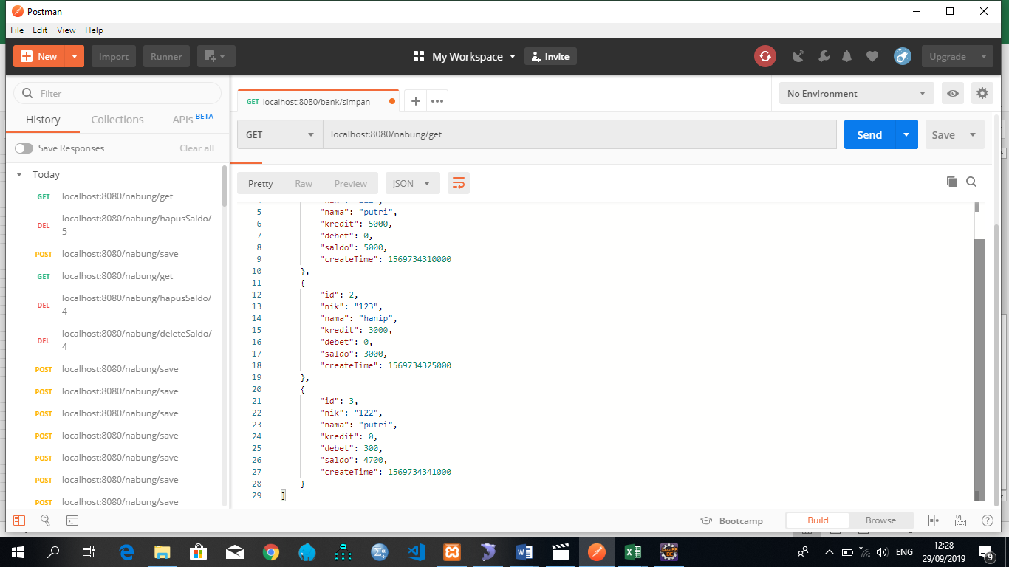
API | GET
http://localhost:8080/nabung/get

Parameter
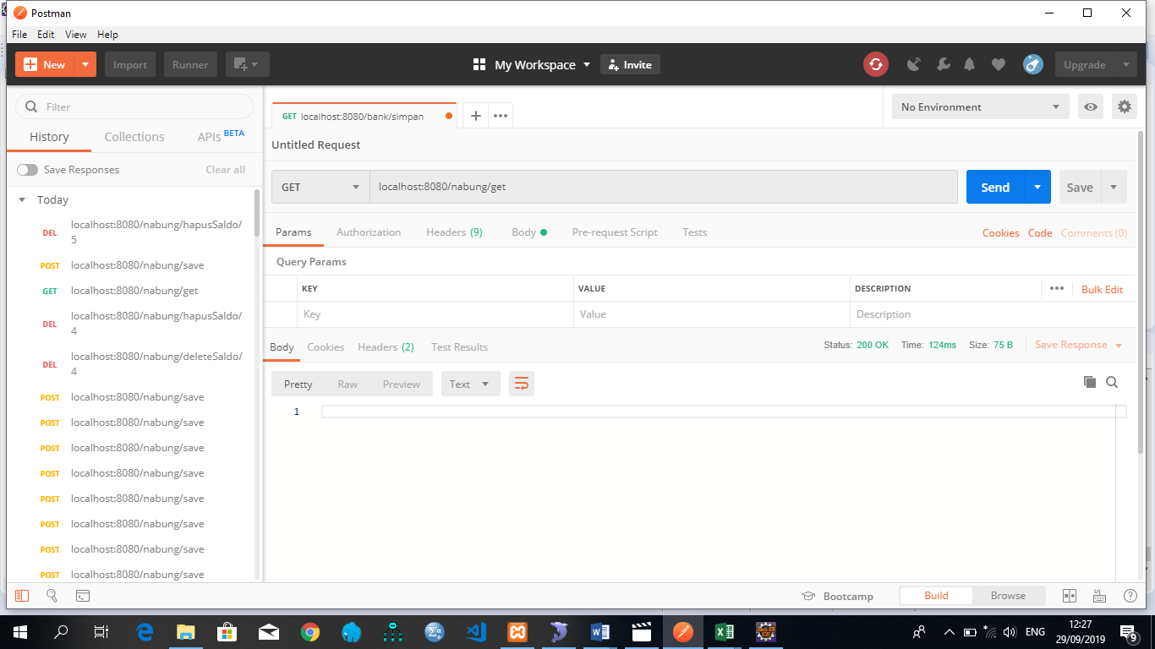

Response

API 3
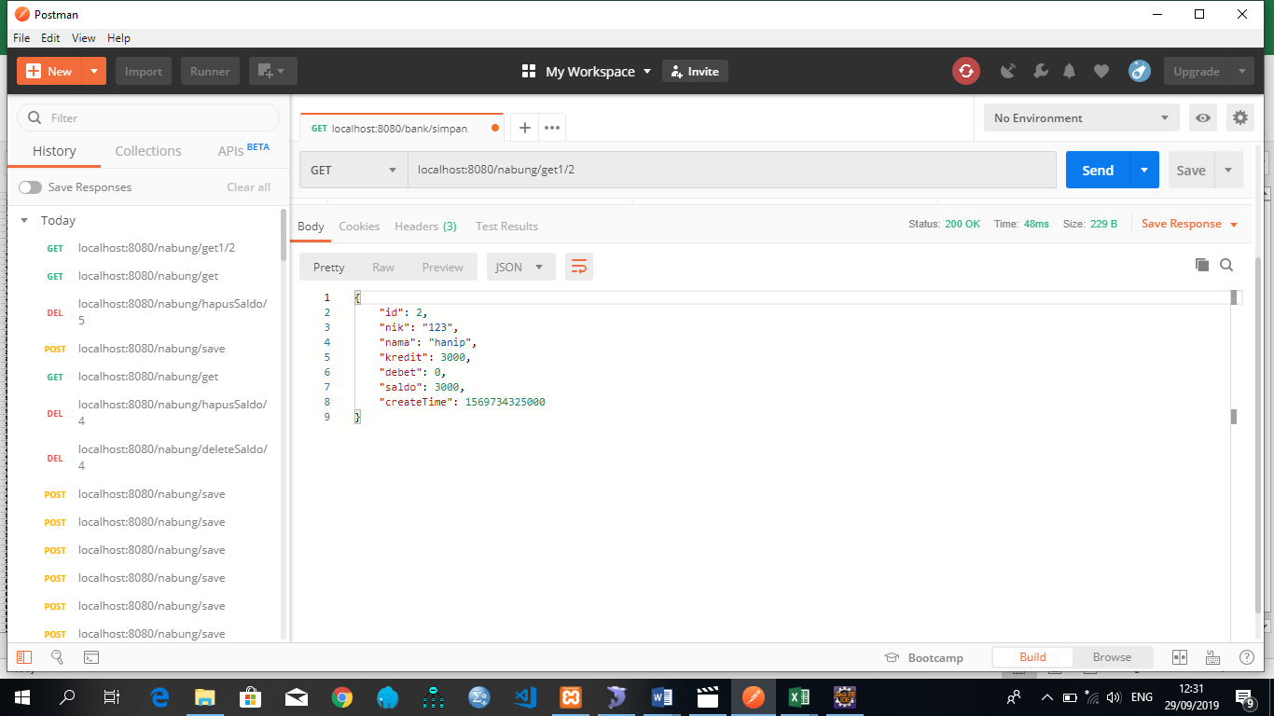
API | GET
http://localhost:8080/nabung/get1/2

Parameter
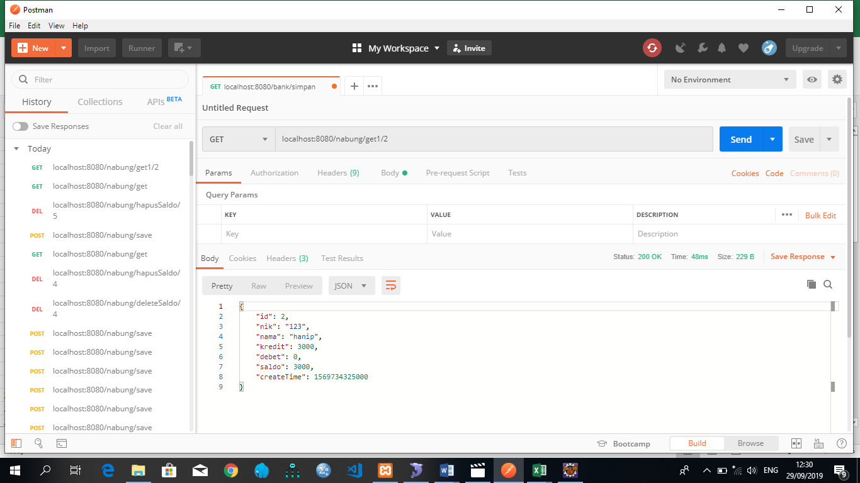

Response

API 4
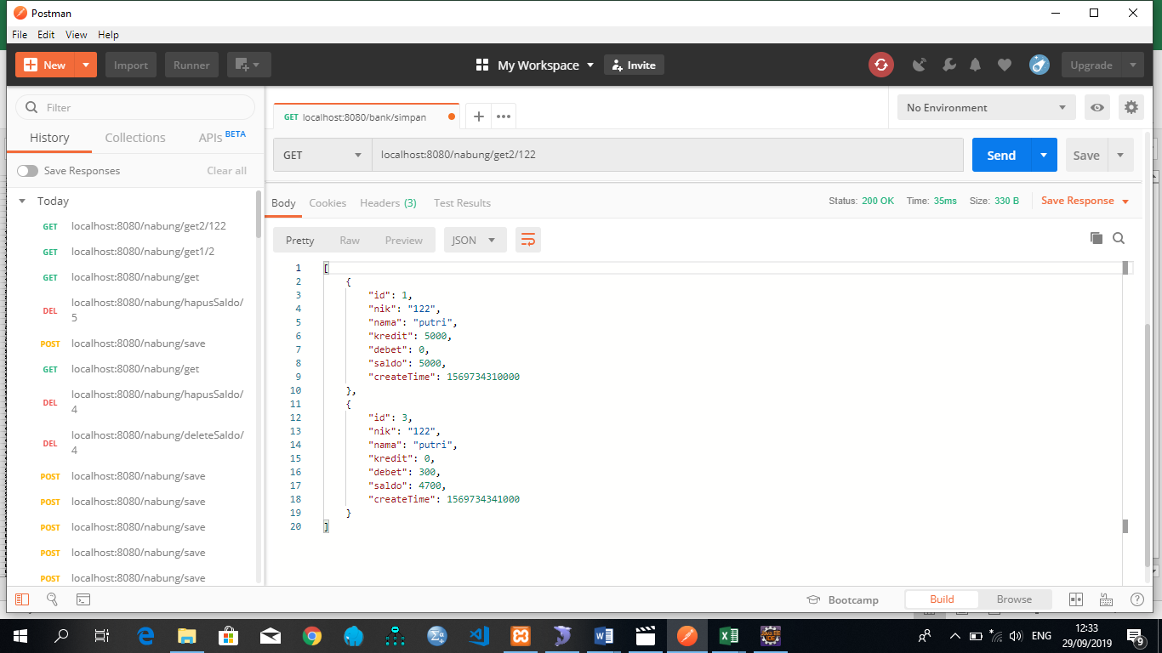
API | GET
http://localhost:8080/nabung/get2/122

Parameter
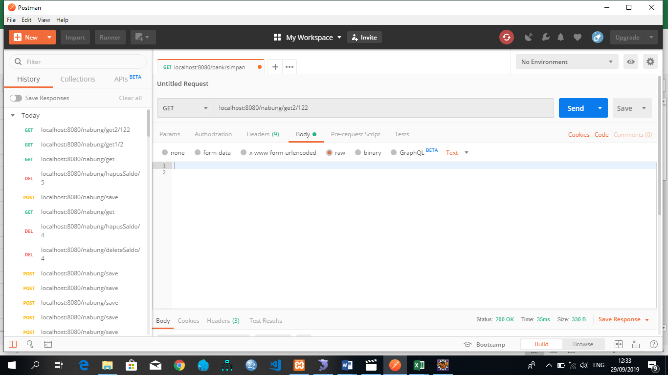

Response

API 5
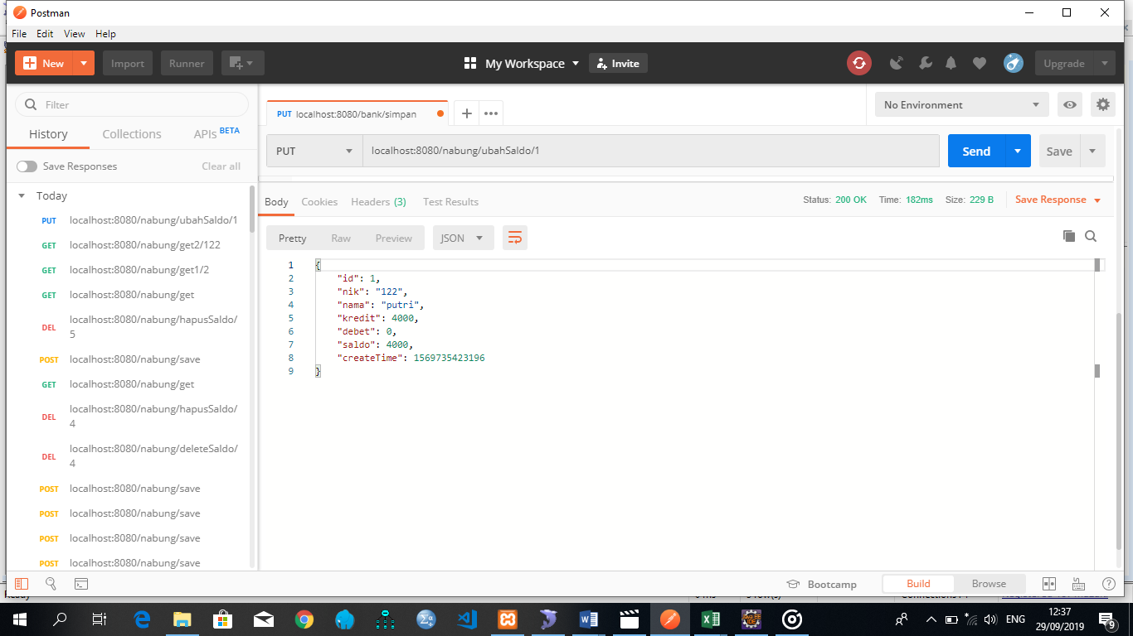
API | PUT
http://localhost:8080/nabung/ubahSaldo/1

Parameter
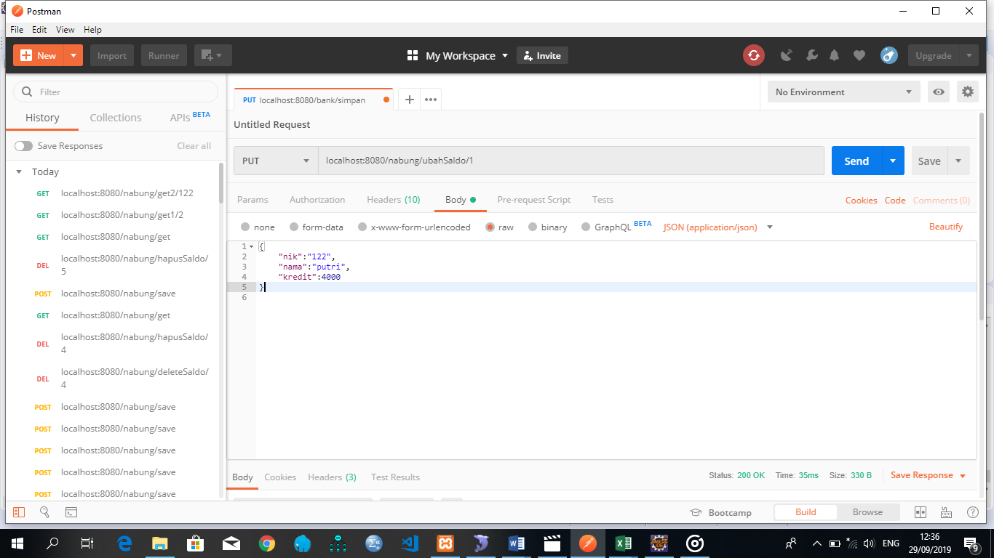

Response

API 6
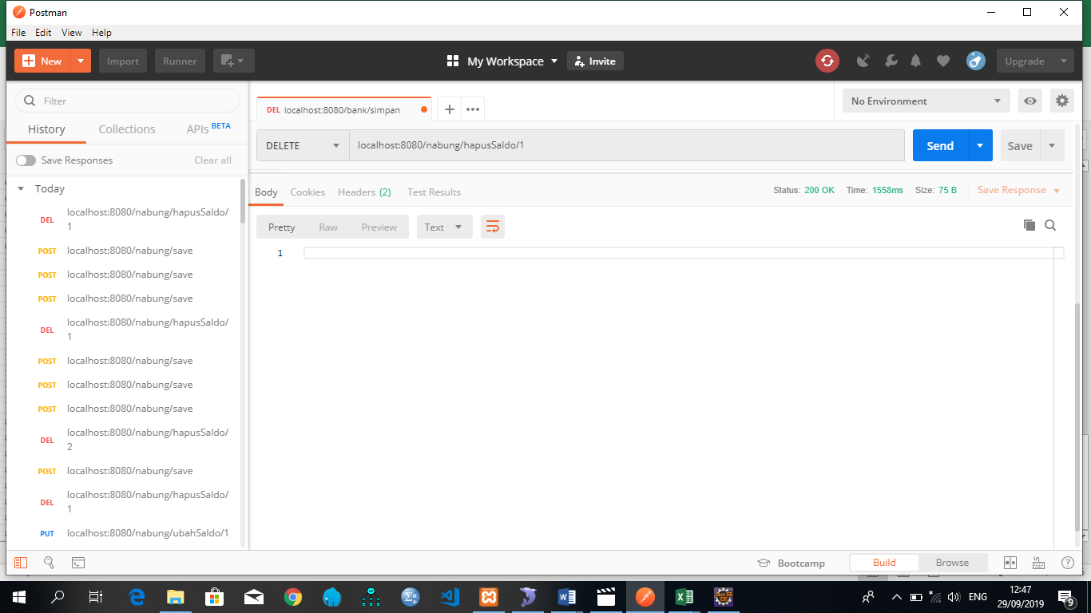
API | DELETE
http://localhost:8080/nabung/hapusSaldo/1

Parameter
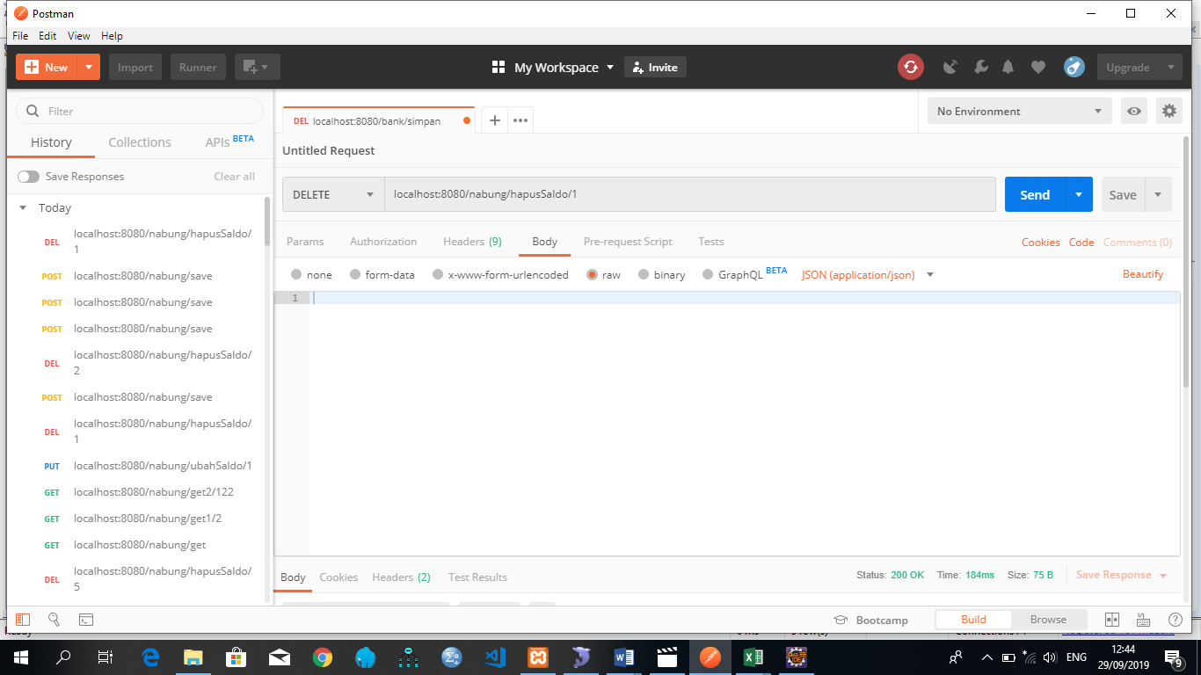

Response

